MENU
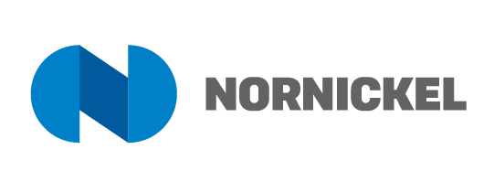
ESG DATA BOOK OF NORILSK NICKEL GROUP

 | Data period: 2011-2022

 | Content

 | ENVIRONMENT

 | SOCIAL

 | GOVERNANCE

 | Useful links

 | ESG Highlights

 | Environmental and Climate Change Strategy

 | Nornickel Scenarios for Climate-Related Risk Assessment

 | Strategy Presentation

 | Performance Against the UN SDG

 | Certificates

 | Corporate Codes and Policies

 | Annual Report | 2022 | 2021 | 2020 | 2019 | 2018 | 2017 | 2016 | 2015 | 2014 | 2013 | 2012 | 2010

 | Sustainability Report | 2022 | 2021 | 2020 | 2019 | 2018 | 2017 | 2016 | 2015 | 2014 | 2013 | 2012 | 2010

 | Human Rights Report | 2022

 | Responsible Supply Chain Report | 2022

 | Contacts

 | Investor Relations Department
 | Phone: +7 495 786 83 20
 | E-mail: ir@nornik.ru

